Screenshots
Test Case 1
User interface for Add Staff is displayed as per requirement.
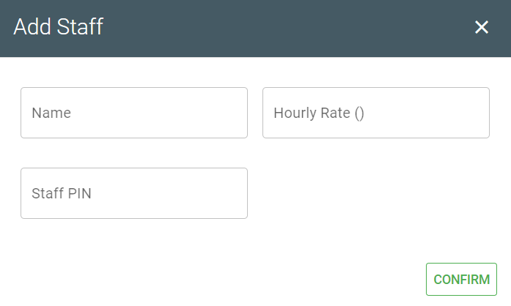

Test Case 2
Click the Add Staff button.

Leave all the field blank and click Confirm.
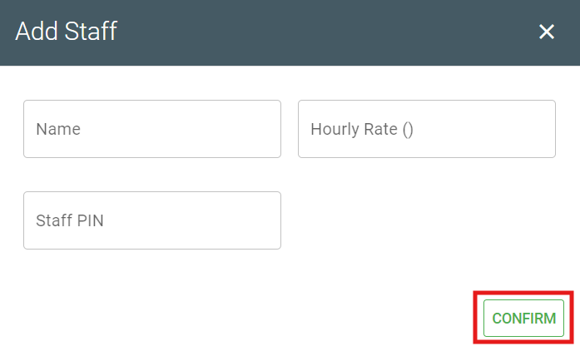

Message is prompted and unable to add staff.
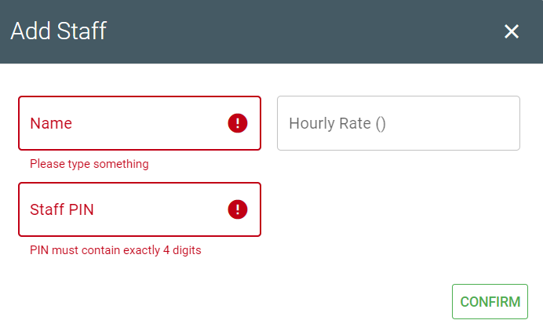

Test Case 3
Enter all the information and Hourly Rate field with more than 2 decimal places.
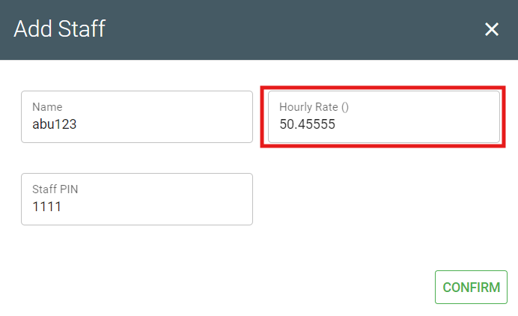

Message is prompted to inform user to enter a valid value.
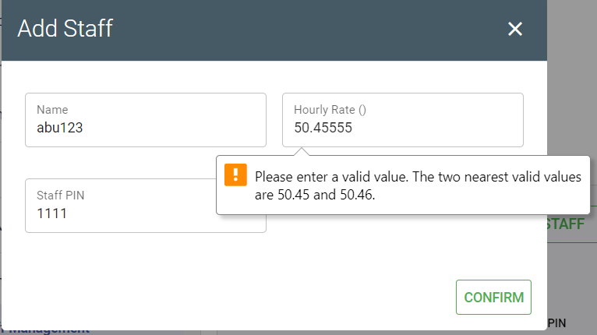

Test Case 4
Staff PIN field only allow to enter 4 digits in Add Staff screen.
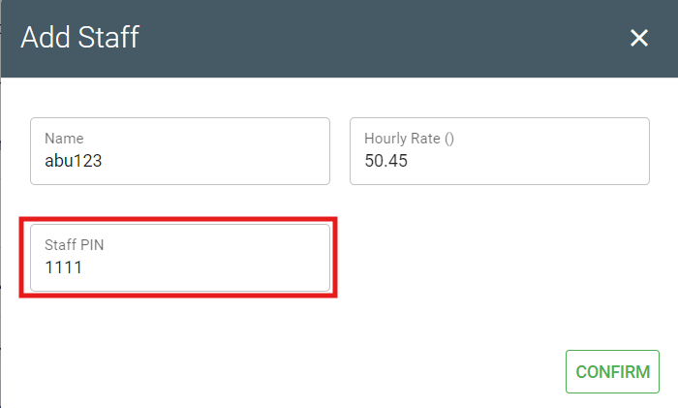

Test Case 5
Click Add Staff button.


Enter all the information and click Confirm.

New staff is added successfully with correct information.
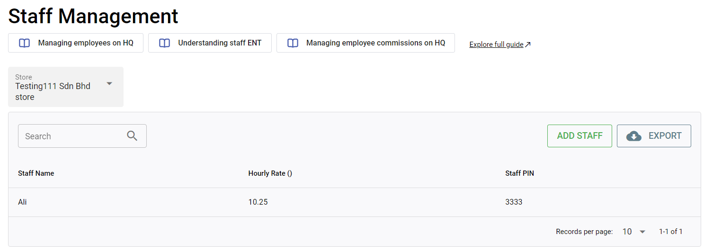

Test Case 6
User interface for Edit Staff is displayed as per requirement.
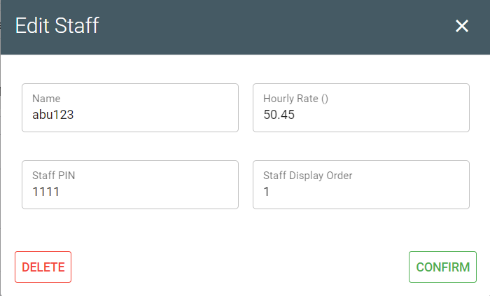

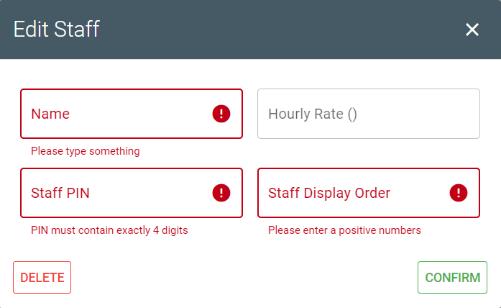
Test Case 7
Message is prompted and unable to edit staff's information in Edit Staff screen.

Test Case 8
Message is prompted to inform user to enter a valid value when Hourly Rate field is more than 2 decimal places in Edit Staff screen.
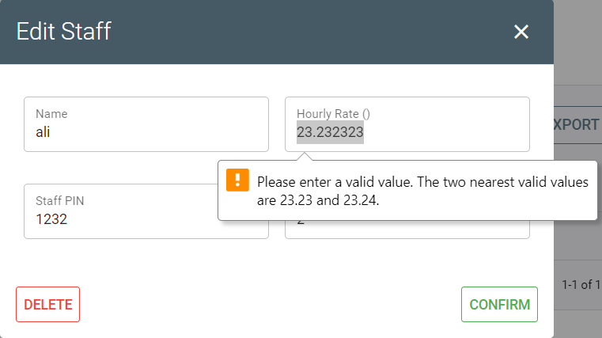

Test Case 9
Staff PIN only allow to enter 4 digits in Edit Staff screen.
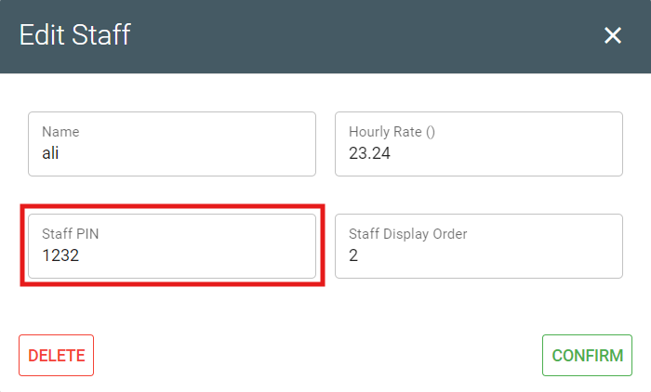

Test Case 10
Test Data 1:
Staff Display Order: -12
Unable to update staff's information and message is prompted to inform user to enter positive numbers for Staff Display Order field in Edit Staff screen.
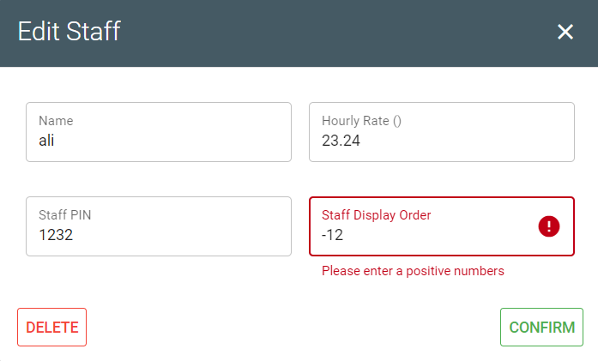

Test Data 2:
Staff Display Order: 1.2345
Unable to update staff's information and message is prompted to inform user to enter a valid value for Staff Display Order field in Edit Staff screen.
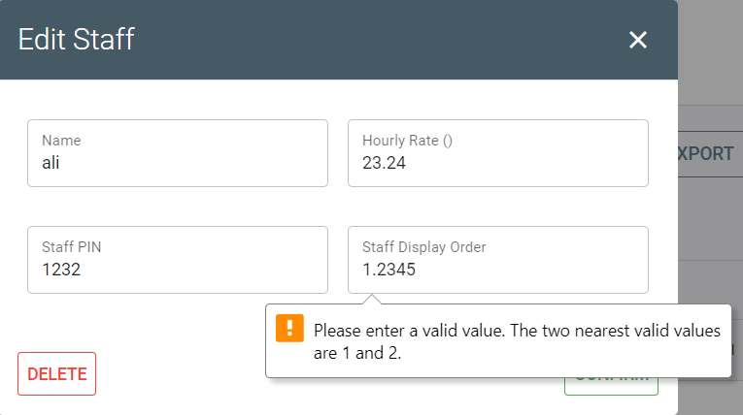

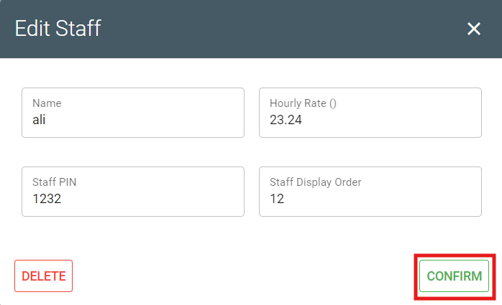
Test Data 3:
Staff Display Order: 12
Staff's information successfully updated when Confirm button is clicked.

Updated staff's information is shown in the Staff Management screen.
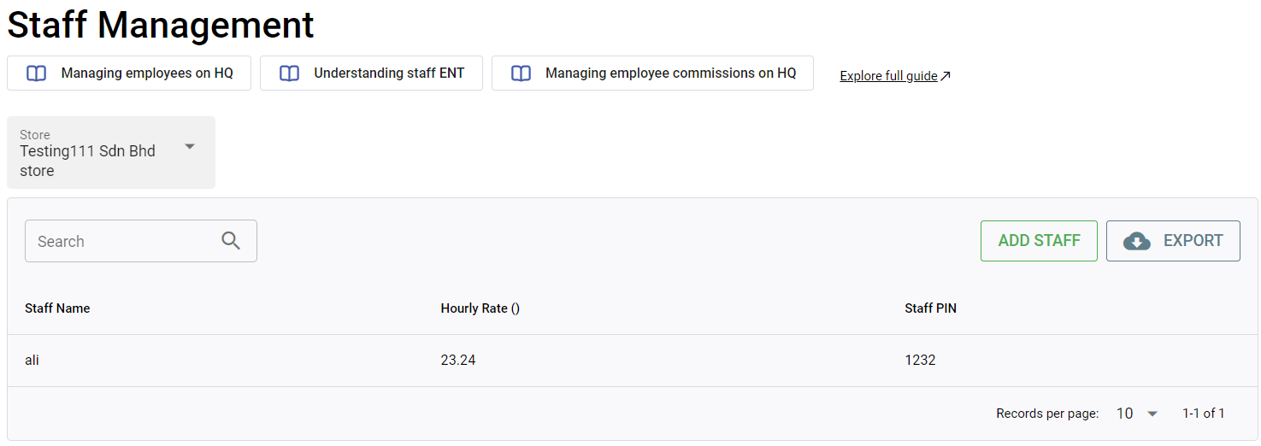

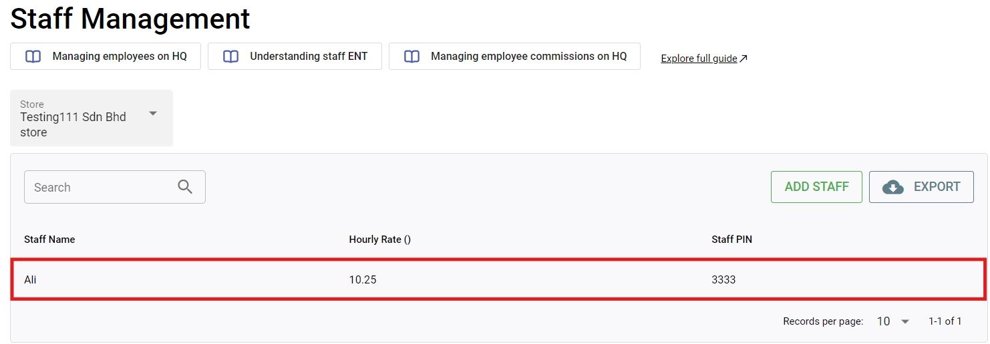
Test Case 11
Click on the staff that need to be edited.

Edit the staff's information and click Confirm.
Before: After:
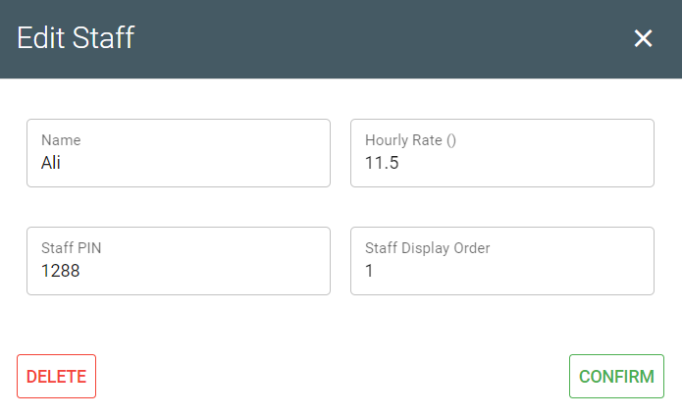

Staff's information successfully updated.
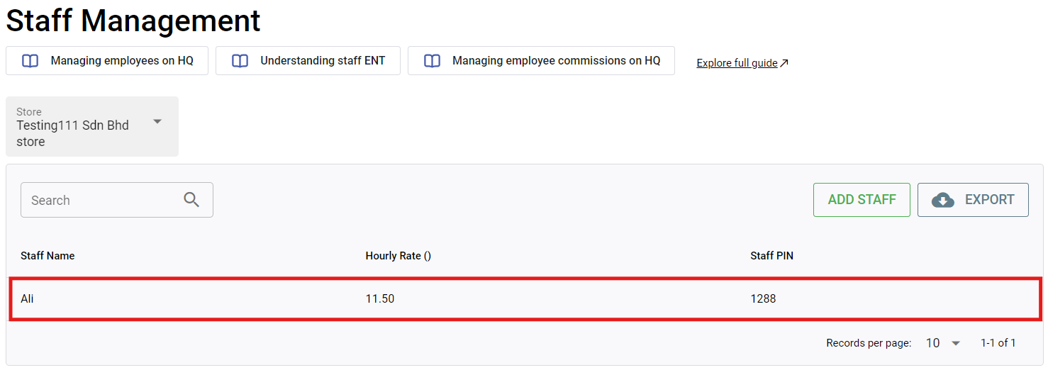

Test Case 12
User interface for Confirm Delete is displayed as per requirement.
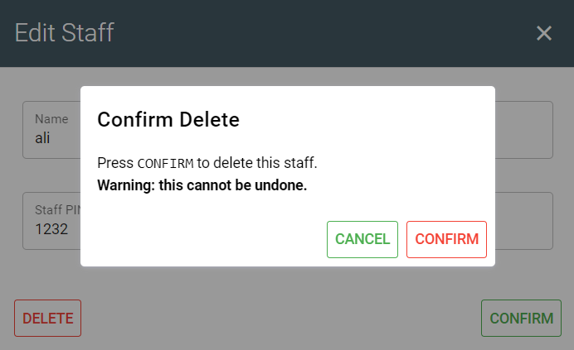

Test Case 12
Click on the staff that need to be deleted.

Click Delete on the Edit Staff screen.
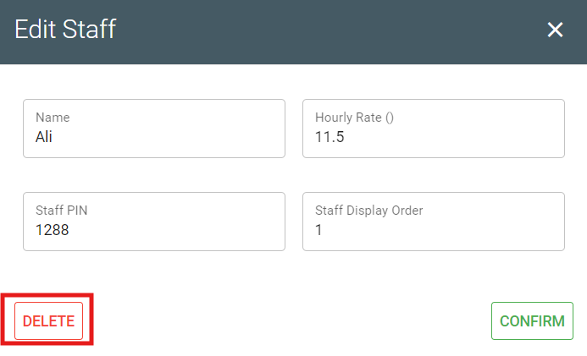

Click Confirm on Confirm Delete screen.
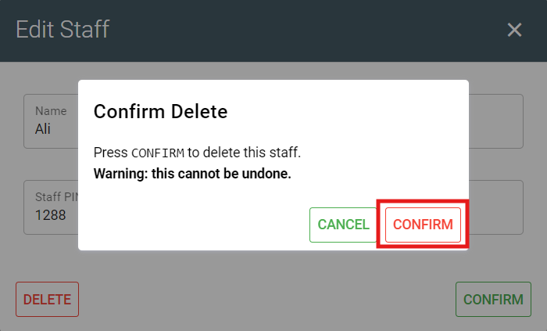

Staff is successfully deleted.

